HealthQuestions_bp
 | RATING SCALE
 | Utilize Likert-Type Rating Scale with bottom, middle, and top to enable logical decisions. Recco either 5-pt or 7-pt scale
 | 1 | not at all concerned
 | 2 | slightly concerned
 | 3 | somewhat concerned
After all questions are answered, user is taken to content page w/ product recommendations next to each, for rationale
 | 4 | moderately concerend
 | 5 | extremely concerned
User Starts...
 |  |  |  | Content Opportunity |  | Product Recommendation(s)
 | Rate your health concerns | User Score | Verbal Rating Scale | User will land on page with 4-5 short paragraphs tailored to his/her answers. Each paragraph will be paired with a product recommendation ranging from something like "slightly recommended at this time, given your concerns" to "strongly recommended, given your concerns."
 | Hard Tissue | Score
1 | Flexibility and movement. | 5 | extremely concerned | 1-2 lines about what tends to cause issues with | Flexibility and movement. | Range of motion can be impacted by many things. Aging, over stretching, inflammation, auto immune issues, and even doing too exercise can impact our range of motion and flexibility.
2 | Joint health. | 3 | somewhat concerned | 1-2 lines about what tends to cause issues with | Joint health. | A joint is the connection between two bones - like you knees, elbows, fingers, back, hips and more. The best way to care for your joints is to keep them and your muscles, ligaments, and bones strong and stable. Here are some tips for good joint health. Maintainng a healthy weight, keeping active, and a healthy diet with nutrients like calcium, vitamin D, omegas' can all help support healthy joints.
3 | Healthy gums and teeth. | 1 | not at all concerned | 1-2 lines about what tends to cause issues with | Healthy gums and teeth. | Healthy gums do more than protect your teeth and bones - they also play a key role in defending your body from disease including heart disease. Taking good care of your gums is taking good care of your health.
4 | Knees and walking. | 2 | slightly concerned | 1-2 lines about what tends to cause issues with | Knees and walking. | Walking is a great way to build muscle, and take pressure off stiff or aching knees. Walking can help your body rebuild joints. Cartilage acts like a cushion for the knees. Cartilage is like a sponge, and it gets nutrients from the compression and decompression of your body weight as you walk.
5 | Shoulders and lifting. | 2 | slightly concerned | 1-2 lines about what tends to cause issues with | Shoulders and lifting. | The shoulder joint is the most complex joint in the human body, as it helps give you both mobility to move your arm 360 degrees, as well as the stability that allows all the bones, muscles, tendons, and ligaments that make up the shoulder to work together so that you can lift, move things, and perform daily life activities.
6 | Back and back pain or flexibility. | 5 | extremely concerned | 1-2 lines about what tends to cause issues with | Back and back pain or flexibility. | A lack of flexibility in the back can actually be caused by too much sitting, andA lack of flexibility in the lower body, particularly in the hamstrings, buttocks and hip. Stretches and exercises for the hips, glutes and legs can improve back flexibiity and relieve pressure.
 | Your total score is | 18 |  | Based on this total score, and the relevant points that could be made regarding each, we can develop a short paragraph highlighting where it seems the person's key needs are in this area, using the Likert rating scale words like "extremely concerned" or "only slightly concerned with," and we'll be able to hone in on what might be causing the issues |  | HBSP Bone & Joint pack - 10256 Healthy Body Bone & Joint Pak 2.0
 | Highest potential score | 30
 | Lowest possible score | 6
 | Potential range of points on scale | 24
 | Score as percentage of total | 75%
 | Metabolism & Energy | Score
1 | Cravings for sweets. | 5 | extremely concerned | 1-2 lines about what tends to cause issues with | Cravings for sweets. | A healthy mood can help you fight cravings, and keep on track. Seratonin can be boosted with exercise, and eating a healthy diet including fiber and pre and probiotic support.
2 | Falling and staying asleep. | 2 | slightly concerned | 1-2 lines about what tends to cause issues with | Falling and staying asleep. | keeping glued to our smart phones, tv's and computers can impact our ability to sleep. Eating a healthy diet, and stopping the use of cell phones/computers for at least half an hour before bedtime can contribute to better sleep.
3 | Trouble losing weight. | 3 | somewhat concerned | 1-2 lines about what tends to cause issues with | Trouble losing weight. | There are many reasons you may have trouble losing weight. Eating breakfast (don't skip it) can help rev up your metabolism, as can exercies. A simple 10 minute walk, 3 times a day can help you boost metabolism and mood. Also a diet with protein shakes have been found to be beneficial to helping get good nutrition, without spending a lot of money.
4 | Sleepiness or tiredness during the day. | 3 | somewhat concerned | 1-2 lines about what tends to cause issues with | Sleepiness or tiredness during the day. | Eating a diet with protein and fiber can help you support health y blood sugar levels, and prevent those mid day dips in energy. Starting your day with protein (Shakes, eggs) instead of bagels or muffins can help you maintain a better blood sugar, and better focus and energy.
5 | Waking up feeling refreshed. | 4 | moderately concerend | 1-2 lines about what tends to cause issues with | Waking up feeling refreshed. | Watch the caffeine intake after noon if you wake up groggy, and be sure to have a good mattress, and a good bedtime routine. Exercise in the morning, and sunlight can add to feeling refreshed and energized.
6 | Supporting healthy blood sugar levels. | 5 | extremely concerned | 1-2 lines about what tends to cause issues with | Supporting healthy blood sugar levels.
 | Your total score is | 22 |  | Based on this total score, and the relevant points that could be made regarding each, we can develop a short paragraph highlighting where it seems the person's key needs are in this area, using the Likert rating scale words like "extremely concerned" or "only slightly concerned with," and we'll be able to hone in on what might be causing the issues |  | 10258 Healthy Body Brain and Heart Pak 2.0
 | Highest potential score | 30
 | Lowest possible score | 6
 | Potential range of points on scale | 24
 | Score as percentage of total | 92%
 | Soft Tissue | Score
1 | Vision health. | 1 | not at all concerned | 1-2 lines about what tends to cause issues with | Vision health. | Good eye health starts with the a good diet, nutrients like omega-3 fatty acids, lutein, zinc, and vitamins C and E might help ward off age-related vision problems.i Geen leafy vegetables like kale, spinach, oily fish like salmon and tuna, eggs, nuts, and citrus fruits can all help support healthy vision.
2 | Healthy heart & blood pressure. | 2 | slightly concerned | 1-2 lines about what tends to cause issues with | Healthy heart & blood pressure. | Losing weight, and a healthy diet can help you support a healthy heart and blood pressure. Fiber is a key way to feel full, and help the body fight or lower cholesterol.
3 | Wrinkles and fine lines. | 5 | extremely concerned | 1-2 lines about what tends to cause issues with | Wrinkles and fine lines. | Foods and supplments rich in polyphenols and phytochemicsals can help you have beautiful skin from within. Berries, dark leafy greens, fish are more than good for your heart - they are good for skin too.
4 | Healthy skin. | 3 | somewhat concerned | 1-2 lines about what tends to cause issues with | Healthy skin. | Healthy fats help support healthy skin. Omega oils, avocado's, walnuts, butter, sunflower seeds - all can help support healthy fats in the diet that help support beautiful skin.
5 | Lung health and breathing. | 2 | slightly concerned | 1-2 lines about what tends to cause issues with | Lung health and breathing. | Did you know water is essential for healthy lungs? Dry lungs are prone to irritation so be sure to stay hydrated and drink plenty of water. Nutrients found in apples, omegas from fish, broccoli, walnuts, berries - all have nutrients that can support good lung health and good breathing.
6 | Kidney & liver health. | 1 | not at all concerned | 1-2 lines about what tends to cause issues with | Kidney & liver health. | Our kidneys and liver provide many functions in the body. They filter waste, help support hormone production, help regulate blood pressure and more. Cauliflower, blueberries, omega's from fish, flavanoids found in grapes - these and more are good for your body, and good for your kidney and iver health too.
 | Your total score is | 14 |  | Based on this total score, and the relevant points that could be made regarding each, we can develop a short paragraph highlighting where it seems the person's key needs are in this area, using the Likert rating scale words like "extremely concerned" or "only slightly concerned with," and we'll be able to hone in on what might be causing the issues |  | 10254 Healthy Body Blood Sugar Pak™ 2.0
 | Highest potential score | 30
 | Lowest possible score | 6
 | Potential range of points on scale | 24 |  |  |  |  |  |  | Q46:AB48L52Q46:W47Q46:AI49L52Q46:W47Q46:AK49L52Q46:W47Q46:AM49L52Q46:W47Q46:AO4Q46:W47
 | Score as percentage of total | 58%
 | Digestion & Immune Health | Score
1 | Constipation and regularity. | 1 | not at all concerned | 1-2 lines about what tends to cause issues with | Constipation and regularity.
2 | Diarrhea or upset stomach. | 2 | slightly concerned | 1-2 lines about what tends to cause issues with | Diarrhea or upset stomach. | Stress, travel, poor diet, and even spicy foods can all lead to an upset stomach or other issues. Enzymes in foods and supplements can help. Foods like pineapple, papaya contain enzymes that can help break down food for easier digestion.
3 | Bloating or gas. | 2 | slightly concerned | 1-2 lines about what tends to cause issues with | Bloating or gas. | It is common to have gas, burping after eating or drinking. Drinking fluids 30 miinutes before a meal can help prepare the stomach and help reduce gas. Smoking, chewing gum, and drinking through a straw can also cause bloating or gas.
4 | Stress, pollution and impact on your body. | 2 | slightly concerned | 1-2 lines about what tends to cause issues with | Stress, pollution and impact on your body. | Pollution and stress can take a toll on your body - including brain and memory, digestion, upset stomach, sleep and more. Antioxidants can help protect and defend at the cellular level, while supporting a good digestive system - where 95% of our seratonin resides can be crucial to good health.
5 | Cold hands or feet. | 2 | slightly concerned | 1-2 lines about what tends to cause issues with | Cold hands or feet. | Cold hands and feet can be an indication of poor circulation. Vitamin e (found in pumpkin, nuts), niacin (found in eggs, mushrooms, milk), spices can help heat you up and help you feel warmer and help support healthy circulation. |  | So here you can see the highest score is 22
6 | Cellular health and natural energy. | 2 | slightly concerned | 1-2 lines about what tends to cause issues with | Cellular health and natural energy. | Stress, pollution, diet - all can impact our cells and our health. Our cells are where ATP or 'energy' is made and created. Defend and support those cells with good digestion is key - that is where most of our immune system lives, and where our nutrition is absorbed. |  | in metabolism and energy
 | Your total score is | 11 |  | Based on this total score, and the relevant points that could be made regarding each, we can develop a short paragraph highlighting where it seems the person's key needs are in this area, using the Likert rating scale words like "extremely concerned" or "only slightly concerned with," and we'll be able to hone in on what might be causing the issues |  | 10257 Healthy Body Digestion Pak™ 2.0 |  | so the kit recommended will be
 | Highest potential score | 30
 | Lowest possible score | 6
 | Potential range of points on scale | 24
 | Score as percentage of total | 46%
 |  |  |  |  |  |  |  | HBSP 2.0

 | Score 3 or higher gets the recommended product
1 | Weight Loss | 4 |  | content to support why product reccos will help with | Weight Loss | BHN Challenge paks (rev 90, keto 90).= 10285, 10283 | Youngevity has the Better Health Now Challenge to help you lose weight and stay on track. With 3 programs to choose from, we have the menu's, recipes, and support to help you achieve your goals.
2 | Building lean muscle | 2 |  | content to support why product reccos will help with | Building lean muscle | Fit Shake SKU : USYG300002 (do we include StaNatural TMR?) | Did you know that consuming protein within 30 minutes of a workout can help you build and support lean muscle? The right type and right amount of protein is key. Youngevity offers our Fit Shake - perfect for pre, or post workout nutrition.
3 | Exercise and Performance. | 2 |  | content to support why product reccos will help with | Exercise and Performance. | Proline Ultimate Daily Classic- USYG100084, Rebound FX 13223 or liquid USYGY100005. Do we include FitShake or StaNatural TMR? | Youngevity's Pro Line offers professionals and every day workouts the ultimate in nutrition to support an active lifestyle. From our shakes, to our omegas, joint and flexibilty, energy and more - see why athletes choose products made by Youngevity.
4 | Anti-Aging needs. | 5 |  | content to support why product reccos will help with | Anti-Aging needs. | Immortalium = USYGY100080. | mortalium combines the most effective anti-aging nutrients in a bi-layered tablet that supports anti-aging by improving telomere health
5 | Energy. | 5 |  | content to support why product reccos will help with | Energy. | Projoba Pollen Burst. = PJ330 and PJ500 | The world's first energy drink powered by flower pollen. Featuring vitamin D and the powerful antioxidant SOD this great-tasting natural orange-flavored drink helps the body fight damage by free radicals toxins and other environmental stresses.
6 | Getting enough vitamins and minerals. | 2 |  | content to support why product reccos will help with | Getting enough vitamins and minerals. | Plant Derived Minerals 13203 | Our bodies need a steady stream of minerals many in trace amounts to function properly. Plant Derived Minerals are liquid concentrates containing up to 77 minerals from prehistoric plants in their unaltered colloidal form.
7 | Fruit, vegetable nutrients for health. | 2 |  | content to support why product reccos will help with | Fruit, vegetable nutrients for health. | Super Greens USYGY300001 Brochure here for ref: http://mura.youngevity.com/default/assets/resources/YGY-Super-Greens-product-sheet-0317-4review.pdf | Super Greens™ is a nutrient dense, easy-to-mix powder made from the world's most powerful superfoods with real, organic whole fruits, vegetables, and herbs. This delicious shake is flavored with refreshing organic peppermint and spearmint!
8 | Men's Health | 0 |  | content to support why product reccos will help with | Men's Health | Prostat. PJ102 | ROSTAT is a naturopathic product containing two scientifically proven hypoallergenic flower pollen extracts. Formulated especially for men PROSTAT helps the body improve urine flow naturally. PROSTAT supports vitality and endurance and helps the body achieve and maintain a normal and healthy prostate.
9 | Women's Health | 1 |  | content to support why product reccos will help with | Women's Health | Xerafem. USYGY100082 | XeraFem tablets supply high-quality all-natural vitamin mineral and botanicals that provide hormonal support for women
10 | Stress and sleep. | 2 |  | content to support why product reccos will help with | Stress and sleep. | Ultimate D Stress 82123, Z Radical 3030. Do we include Sleep Eze which supports healthy sleep & relaxation? Supp facts here: https://ygy1.com/media/supplement-facts/pdf/YGY-USYG102067-Sleep-EZE-SuppFacts-0314.pdf | Help your body combat chronic stress and support a healthy lifestyle with Ultimate D-Stress .
11 | Building a better immune system, naturally. | 3 |  | content to support why product reccos will help with | Building a better immune system, naturally. | Prumeric USYGY100088, Zradical 3030; (z-radical, trifold found here for ref: https://youngevityrc.com/wp-content/uploads/ZRadical_trifold-brochure3-0516-4review.pdf) | Pürmeric™ is a cutting-edge herbal supplement that delivers superior antioxidant activity using certified organic turmeric.
12 | Better mental focus, memory both short and long term | 3 |  | content to support why product reccos will help with | Better mental focus, memory both short and long term | Synaptiv USYGY100083 | A ground-breaking brain-support supplement that supplies immediate and extended release nutrients to promote optimal brain function.
13 | Eye health, eye discomfort and irritation. | 3 |  | content to support why product reccos will help with | Eye health, eye discomfort and irritation. | Ocutiv USYGY100086 | Optimize your eye health with Ocutiv , a comprehensive nutritional supplement from the Youngevity ProLine, that provides advanced ocular health support.
14 | Circulation, blood flow and healthy blood vessels. | 5 |  | content to support why product reccos will help with | Circulation, blood flow and healthy blood vessels. | ProCardio FX USYGY100093 | ProCardio FX™ delivers a broad-spectrum blend of synergizing nutrients that help support the complete vascular system. Each ingredient delivers targeted support to an element within the cardiovascular system for optimal cardiovascular health support
15 | Joints, cartilage, mobility and joint comfort. | 3 |  | content to support why product reccos will help with | Joints, cartilage, mobility and joint comfort. | ProJoint FX USYGY100092 | ProJoint FX™ is a nutritionally advanced formula that supports the health of the entire joint structure. Through a three step process, the nutrients in the ProJoint FX™ formula may help improve overall joint care. †

Ref's
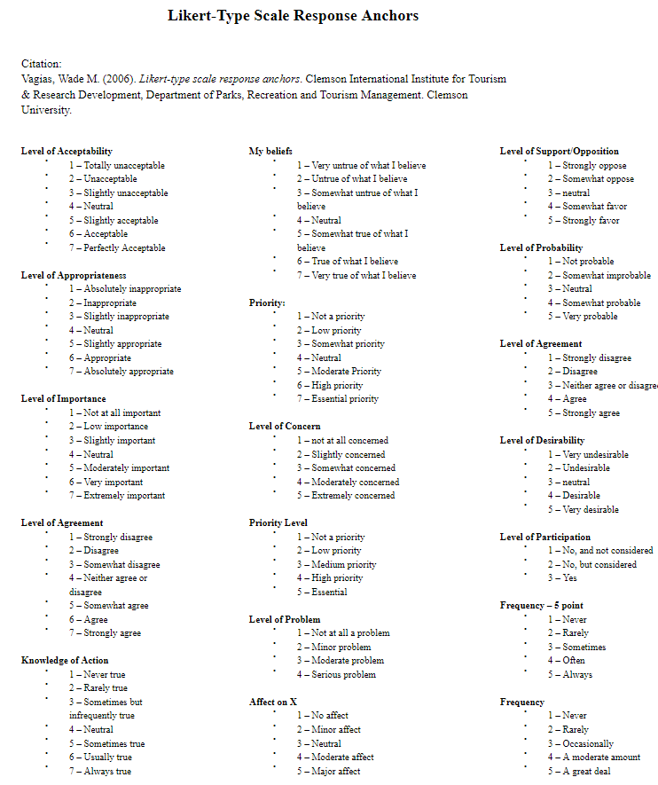
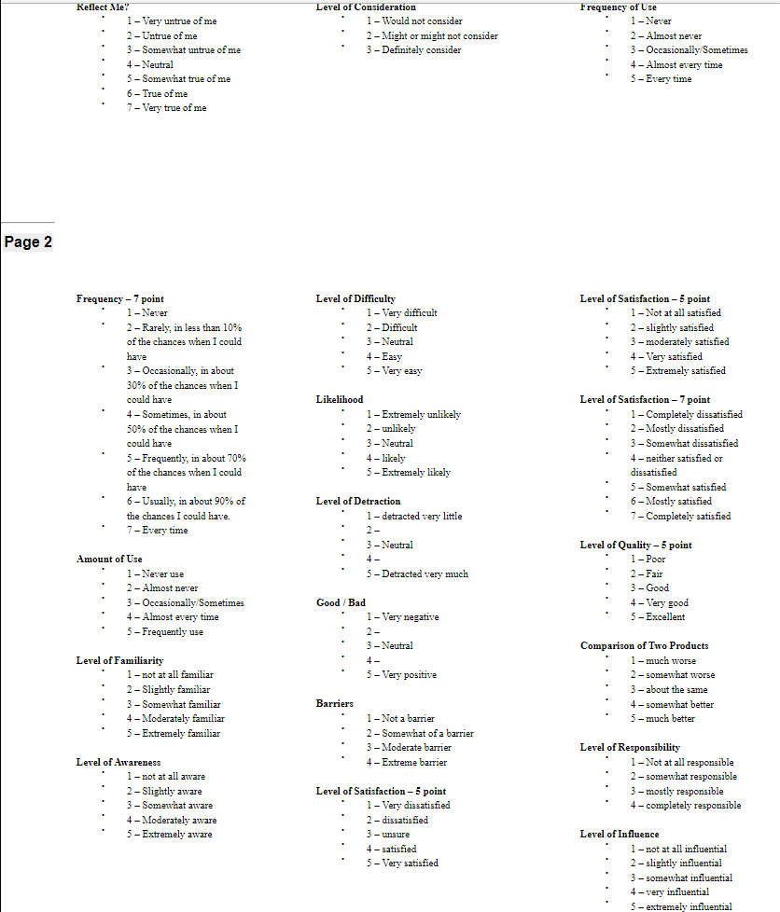
https://www.surveymonkey.com/mp/likert-scale/
https://www.uc.edu/content/dam/uc/sas/docs/Assessment/likert-type%20response%20anchors.pdf

